letter
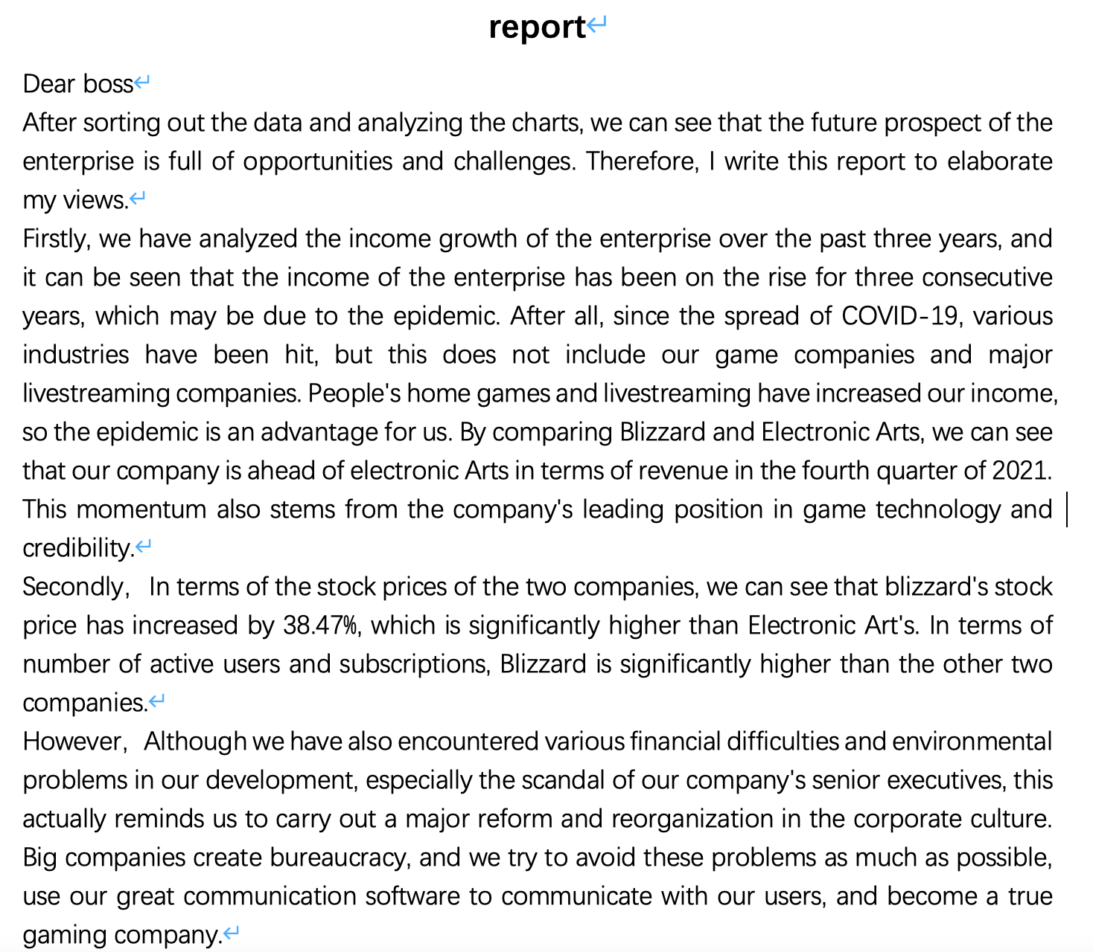
report

dashboard1
Blizzard's three year revenue and cost comparison | 4. Quarterly revenue comparison | Blizzard's profit statement for 3 consecutive years
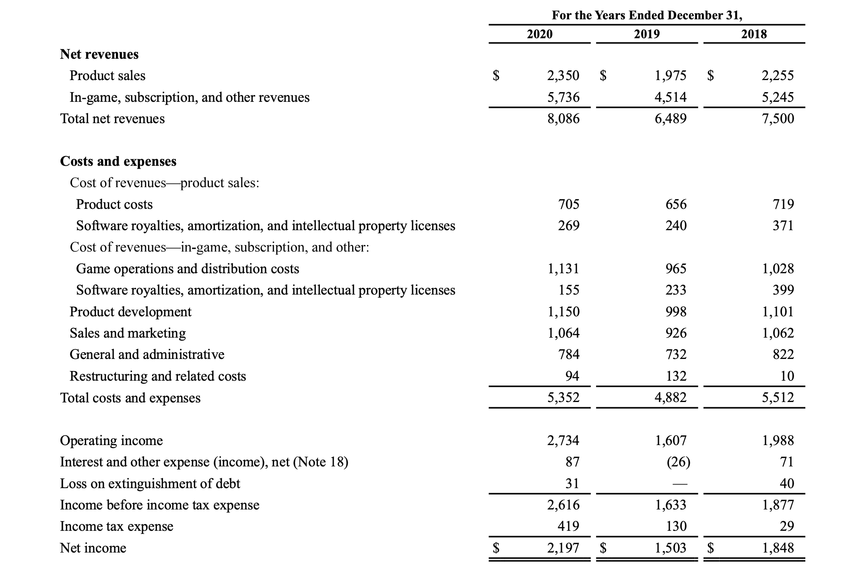
 |  |  |  |  |  |  |  | 2018 | 2019 | 2020
 |  |  |  |  |  |  | reveunes | 8,086,000,000.00 | 6,489,000,000.00 | 7,500,000,000.00
 |  |  |  |  |  |  | COST | 5,352,000,000.00 | 4,884,000,000.00 | 5,512,000,000.00

Company stock price range
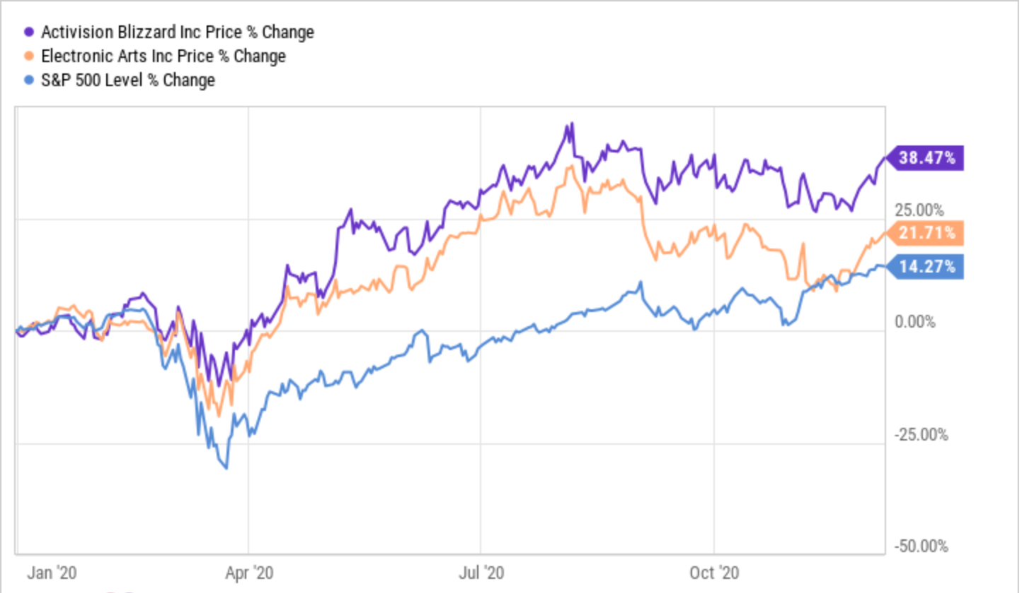

 |  | 4. Quarterly revenue comparison | 列1 | 列2 | 列3 | 列4
 |  | company | q1 | q2 | q3 | q4
 |  | Blizzard | 2275000000 | 2296000000 | 2070000000 | 2413000000
 |  | Electronic Arts | 1673000000 | 1151000000 | 1459000000 | 1387000000

dashboard2
Company subscription and active number analysis
 |  | Blizzard | Electronic Arts | zynga
 | Monthly Active Users | 390,000,000.00 | 160,000,000.00 | 80,000,000.00
 | Twitter followers | 109,000.00 | 620,000.00 | 414,000.00

